ECU Calculator
 | CITY OF ASPEN UTILITIES - RESIDENTIAL ECU CALCULATOR - 2026
INSTRUCTIONS: | Complete the "Existing Fixture Count" column, as well as the "Proposed Fixture Count" column below. Fill in the GREEN sections and all BLUE cells will automatically calculate. RED sections are required.
 | A Final Inspection will be conducted on-site prior to Issuance of Certificate of Occupancy. Subject to project delays and/or additional fees if "Final Fixture Count" does not match "Proposed Fixture Count".

Updated Municipal Code Sections:
Sec. 25.08.090.(c): No water features will be allowed on Aspen Water utility accounts effective January 1, 2023.
Sec. 25.08.090.(d): Effective January 1, 2023 Single Family Residential water accounts served by city treated water will be eligible for a maximum of 4 ECUs per parcel.
 |  |  |  |  |  |  |  |  | Utility Investment Charge "Tap Fees" (per ECU)
 |  |  |  |  |  |  |  |  | Billing Areas | 2018 Fees | 2019 Fees | 2020 Fees | 2021 Fees | 2022 Fees | 2023 Fees | 2024 Fees | 2025 Fees | 2026 Fees
Project Address: |  |  | Building Permit No. |  |  | Reviewer: |  |  | 1 | $5,795 | $7,019 | $7,960 | $9,334 | $9,868 | $10,855 | $11,730 | $13,020 | $14,973
Applicant Name: |  |  | Type of Work |  |  | Final Inspection Date: |  |  | 2 | $11,590 | $14,038 | $15,920 | $18,668 | $19,736 | $21,710 | $23,460 | $26,041 | $29,947
Applicant Email: |  |  | Keep existing tap location or replace with new? |  |  |  |  |  | 3 | $11,590 | $14,038 | $15,920 | $18,668 | $19,736 | $21,710 | $23,460 | $26,041 | $29,947
Applicant Phone: |  |  | Proposed Domestic Tap Size: |  |  |  |  |  | 4 | $7,244 | $8,774 | $9,950 | $11,668 | $12,335 | $13,569 | $14,663 | $16,275 | $18,717
Owner Name: |  |  | Existing Domestic Tap Size: |  |  |  |  |  | 5 | $10,141 | $12,284 | $13,930 | $16,335 | $17,269 | $18,996 | $20,528 | $22,786 | $26,203
Owner Email: |  |  | Existing Fire Suppression Tap Size: |  |  | Completed Date: |  |  | 6 | $11,590 | $14,038 | $15,920 | $18,668 | $19,736 | $21,710 | $23,460 | $26,041 | $29,947
Owner Address: |  |  | Proposed Fire Suppression Tap Size: |  |  | Calc Version Date: | 2026-01-13 |  | 7 | $8,693 | $10,529 | $11,940 | $14,001 | $14,802 | $16,282 | $17,595 | $19,530 | $22,460
Common Account? |  |  | Number of meters/accounts proposed:
Additional sources of water on the property--e.g., ditch, well, etc. |  |  | Existing ECUs (located on water bill): |  |  |  |  |  | Pitkin County Specific Utility Connection Fees
Current project proposes "like for like" replacement only? |  |  | Account Number (located on water bill): |  |  |  |  |  | Payment In Lieu of Water Rights / ECU |  |  | - | $6,736 | $6,736 | $6,736 | $7,410 | $8,003 | $8,323
Submittal includes copy of a recent CoA Utilities Bill? |  |  | If Utilities Bill not included, why not? |  |  |  |  |  | Well Sys Development / ECU |  |  | - | $1,675 | $1,675 | $1,675 | $1,845 | $1,993 | $2,073

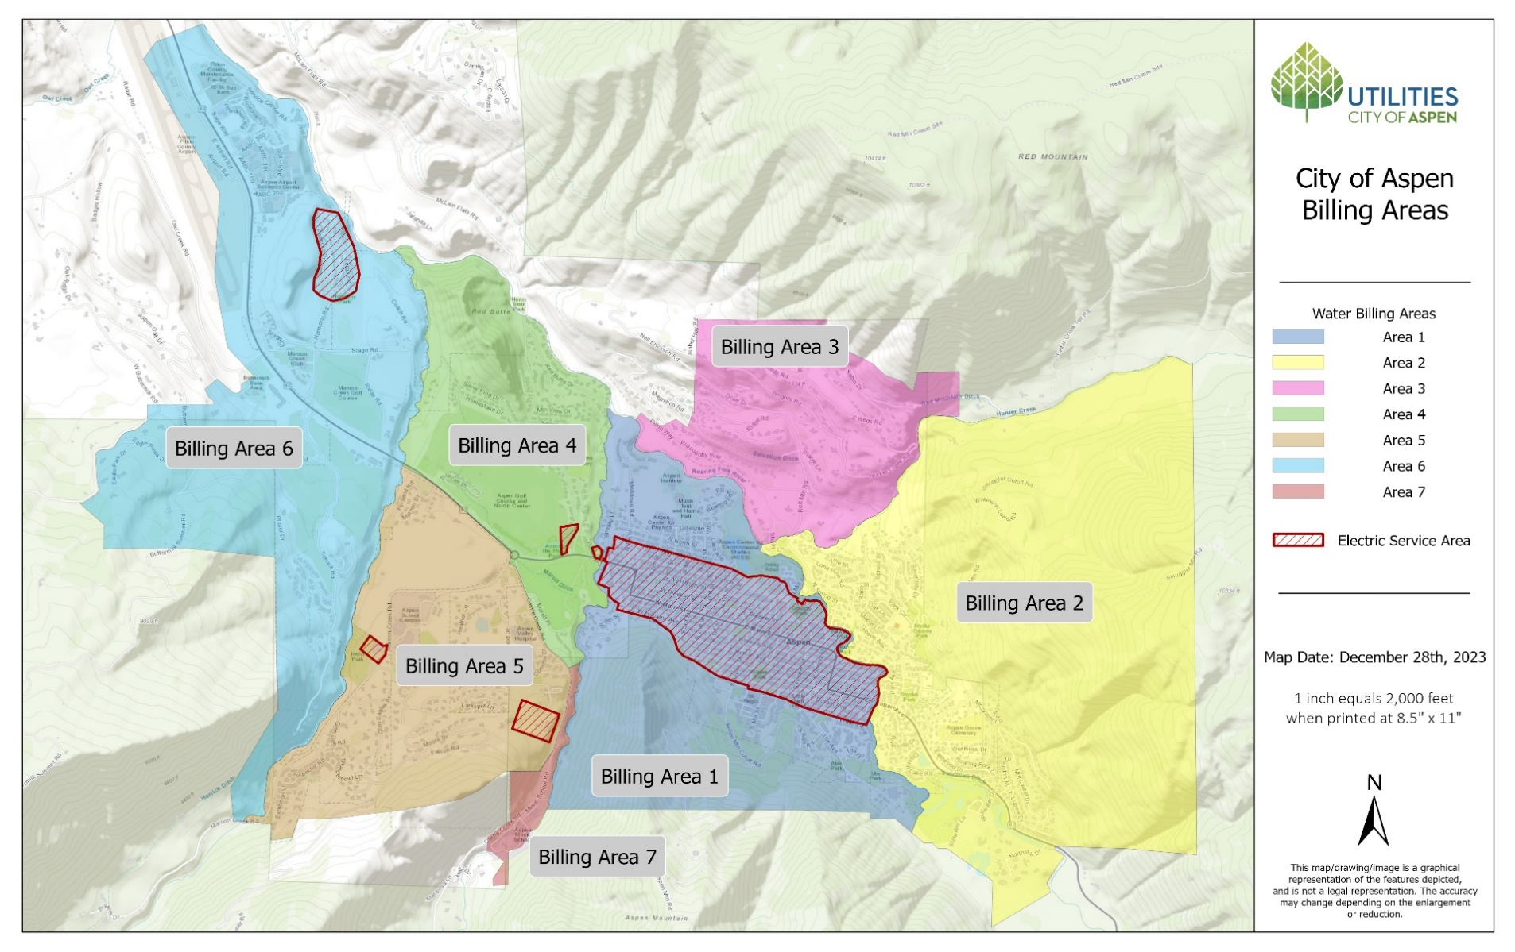
Water Fixture Description | *** Definitions & Entry Instructions *** | ECU Rate per Water Fixture | Existing Fixture Count | Total Existing ECUs | Proposed Fixture Count (include all existing fixtures) | Total Proposed ECUs | Final Fixture Count | Total Final ECU
Bedrooms | A room with a closet | 0.10 |  | 0.00 |  | 0.00 |  | 0.00
1st Full Bathroom/Living Unit | Includes tub/shower, toilet, lav (Fixture count to not exceed 1 unless ADU exists = 2) | 0.36 |  | 0.00 |  | 0.00 |  | 0.00
2nd Full Bathroom/Living Unit | Includes tub/shower, toilet, lav (Fixture count to not exceed 1 unless ADU exists = 2) | 0.24 |  | 0.00 |  | 0.00 |  | 0.00 |  |  |  | Interior Remodel
Toilets/Urinals | Not included in 1st or 2nd bath | 0.05 |  | 0.00 |  | 0.00 |  | 0.00 |  |  |  | Interior/Exterior Remodel |  | Drop Down
Lavs (Bathroom Sinks) | Not included in 1st or 2nd bath | 0.02 |  | 0.00 |  | 0.00 |  | 0.00 |  |  |  | Exterior Remodel |  | Yes |  | Insubstantial
Tub only/Tub & Shower/Shower Stall | Not included in 1st or 2nd bath | 0.05 |  | 0.00 |  | 0.00 |  | 0.00 |  |  |  | Scrape and Replace SFR |  | No |  | Substantial
Combo Toilet (toilet/bidet, toilet/lav) | - | 0.07 |  | 0.00 |  | 0.00 |  | 0.00 |  |  |  | Brand New SFR |  | Keep |  | Temp Irrigation
Bidet | - | 0.05 |  | 0.00 |  | 0.00 |  | 0.00 |  |  |  | Temp Irrigation |  | Replace
Oversized Tub | - | 0.02 |  | 0.00 |  | 0.00 |  | 0.00 |  |  |  | 1 1/2"
Whirlpool Upgrade | - | 0.05 |  | 0.00 |  | 0.00 |  | 0.00 |  |  |  | 2"
Steam Room | - | 0.08 |  | 0.00 |  | 0.00 |  | 0.00 |  |  |  | 4"
Steam Shower Upgrade | - | 0.03 |  | 0.00 |  | 0.00 |  | 0.00 |  |  |  | 6"
Kitchen | Cook surface, refrigerator & sink | 0.25 |  | 0.00 |  | 0.00 |  | 0.00 |  |  |  | 8"
Dishwasher | - | 0.10 |  | 0.00 |  | 0.00 |  | 0.00 |  |  |  | NA
Steamer Oven | - | 0.05 |  | 0.00 |  | 0.00 |  | 0.00 |  |  |  | Not Changing and Don't Know
Disposal | - | 0.05 |  | 0.00 |  | 0.00 |  | 0.00
Additional Sink/Pot Filler/Coffee Urn | - | 0.05 |  | 0.00 |  | 0.00 |  | 0.00
Bar/Hand Sink | - | 0.05 |  | 0.00 |  | 0.00 |  | 0.00
Kitchen Efficiency/Kitchenette | Does not include a cook surface | 0.15 |  | 0.00 |  | 0.00 |  | 0.00
Water Bottle Fill Station | - | 0.05 |  | 0.00 |  | 0.00 |  | 0.00
Stand Alone Ice Machine | - | 0.05 |  | 0.00 |  | 0.00 |  | 0.00 |  | Line Size | Minimum
Washer | - | 0.10 |  | 0.00 |  | 0.00 |  | 0.00 |  |  | ECU
Utility Sink | - | 0.05 |  | 0.00 |  | 0.00 |  | 0.00 |  | 3/4" | 1.0
Room Humidifier | - | 0.05 |  | 0.00 |  | 0.00 |  | 0.00 |  | 1" | 2.0
Whole Home Humidifier | - | 0.30 |  | 0.00 |  | 0.00 |  | 0.00 |  | 1 1/2" | 4.0
1st Hose Bib | - | 0.20 |  | 0.00 |  | 0.00 |  | 0.00 |  | 2" | 8.0
2nd Hose Bib | - | 0.10 |  | 0.00 |  | 0.00 |  | 0.00 |  | Multi Family Residence
Additional Hose Bib | - | 0.05 |  | 0.00 |  | 0.00 |  | 0.00 |  | Not Changing and Don't Know
Water Softener | - | 0.02 |  | 0.00 |  | 0.00 |  | 0.00 |  | Temp Irrigation
Spa (Indoor; Enter Total Gallons) | Per 100 Sq. Ft. (Enter Total Gallons) | 0.02 |  | 0.00 |  | 0.00 |  | 0.00
 | - |  |  | Complete Outdoor Water Budget Worksheet for Proposed Values Below
Overhead Spray Irrigation (Enter Total Square Feet) | Spray System - 0.01 ECU / 100 Sq. Ft. (Enter Total Sq. Ft.) | 0.01 |  | 0 | 0 | 0.00 |  | 0.00
Bubbler Irrigation (Enter Total Square Feet) | Per 100 Sq. Ft. (Enter Total Sq. Ft.) | 0.005 |  | 0 | 0 | 0.00 |  | 0.00
Drip Emitter Irrigation (Enter Total Square Feet) | 0.001 ECU / 100 Sq. Ft. of Drip Emitters (Enter Total Sq. Ft.) | 0.001 |  | 0 | 0 | 0.00 |  | 0.00
Water Feature (Pre-existing Only) | EXISTING ONLY - NOT ALLOWED STARTING IN 2023 | 0.10 |  | 0 | NO NEW WF ALLOWED | 0.00 |  | 0.00
Hot tub/Jacuzzi/Plunge Pool (Enter Total Gallons) | Per 100 Gallons (Enter Total Gallons) | 0.02 |  | 0 | 0 | 0.00 |  | 0.00
Pool (Enter Total Gallons) | Per 1,000 Gallons (Enter Total Gallons) | 0.02 |  | 0 | 0 | 0.00 |  | 0.00
 |  |  | Total Existing ECU Count | 0.00 | Line Size ECUs
 |  |  | Official Existing ECU (Used for Fees) | Located on Water Bill | Proposed ECUs | 0.00 | Total Final ECU | 0.00
 |  |  |  |  |  |  |  | Single Family Residential water accounts served by city treated water will be eligible for a maximum of 4 ECUs per parcel.

Utility Investment Charge Calculation Table (City Use Only) |  |  |  | INSPECTOR NOTES: |  |  |  |  |  | Questions?
Substantial or Insubstantial Remodel |  |  |  |  |  |  |  |  |  | Email cmphelp@aspen.gov
Billing Area (Second digit of Account Number)
Utility Investment Charge "Tap Fees" (per ECU)
Munis Account Record of ECUS
Previous Fees Paid (Substantial ONLY)
Net ECUs for REVIEW UCP
Tap Fee Due

